Analysis
LLM-as-a-judge eval

Technical Question Quality
Conversational Score
 | Total data points: 575
 | Key takeaways:
 | 1. The AI interviews had 6.62% more technical quality over the Human Interviews
 | 2. The AI interviews had 44.18% better conversational flow over the Human interviews
 | 3. The AI interviews had, on average, 42.22% less Technical Quality Standard Deviation than the Human Interviews
 | 4. The AI interviews had, on average, 63.17% less Conversational Score Standard Deviation than the Human Interviews

 | Technical Question Quality
 | Human Interviews | 7.85 | 100.00%
 | AI Interviews | 8.37 | 106.62%

Average Technical Quality Standard Deviation
Average Conversational Score Standard Deviation
 | Conversational Score
 | Human Interviews | 5.41 | 100.00%
 | AI Interviews | 7.8 | 144.18%

 | Average Technical Quality Standard Deviation
 | Human Interviews | 0.78444 | 100.00%
 | AI Interviews | 0.45323 | 57.78%

 | Average Conversational Score Standard Deviation
 | Human Interviews | 1.25439 | 100.00%
 | AI Interviews | 0.47456 | 37.83%

Human eval of same metrics

Technical Question Quality
Conversational Score
 | Total data points: 70
 | Key takeaways:
 | 1. The AI interviews had 21.22% more technical quality over the Human Interviews
 | 2. The AI interviews had 32.89% better conversational flow over the Human interviews
 | 3. The AI interviews had, on average, 53.36% less Technical Quality Standard Deviation than the Human Interviews
 | 4. The AI interviews had, on average, 37.53% less Conversational Score Standard Deviation than the Human Interviews

 | Technical Question Quality
 | Human Interviews | 6.88 | 100.00%
 | AI Interviews | 8.34 | 121.22%

 | Conversational Score
 | Human Interviews | 6.05 | 100.00%
 | AI Interviews | 8.04 | 132.89%

Average Technical Quality Standard Deviation
Average Conversational Score Standard Deviation
 | Average Technical Quality Standard Deviation
 | Human Interviews | 1.9416 | 100.00%
 | AI Interviews | 0.90563 | 46.64%

 | Average Conversational Score Standard Deviation
 | Human Interviews | 1.78315 | 100.00%
 | AI Interviews | 1.11389 | 62.47%

Code and Logic
Logic | - We took 600 from each interview type: AI Interviews and Human Interview from senior talent in micro1's talent pool - We did a grammar clean up to not allow AI to distinguish from human vs. AI Interviews and focus on their essence - Then we cut 25 from the abrupt ending/bad human interviews and removed 25 from AI interviews as well - We used default temperature of Claude this time for score calculation.
Grammar normalization | We instructed the LLM to correct the grammar of human interviews such that there is no language bais towards human interviews by adding the following line in data cleaning prompt : “Correct the grammar and remove filler words without changing the structure and meaning of the questions and answers. keep the essences of the conversation flow the same as well, dont add transition states or anything extra”
Code Changes | 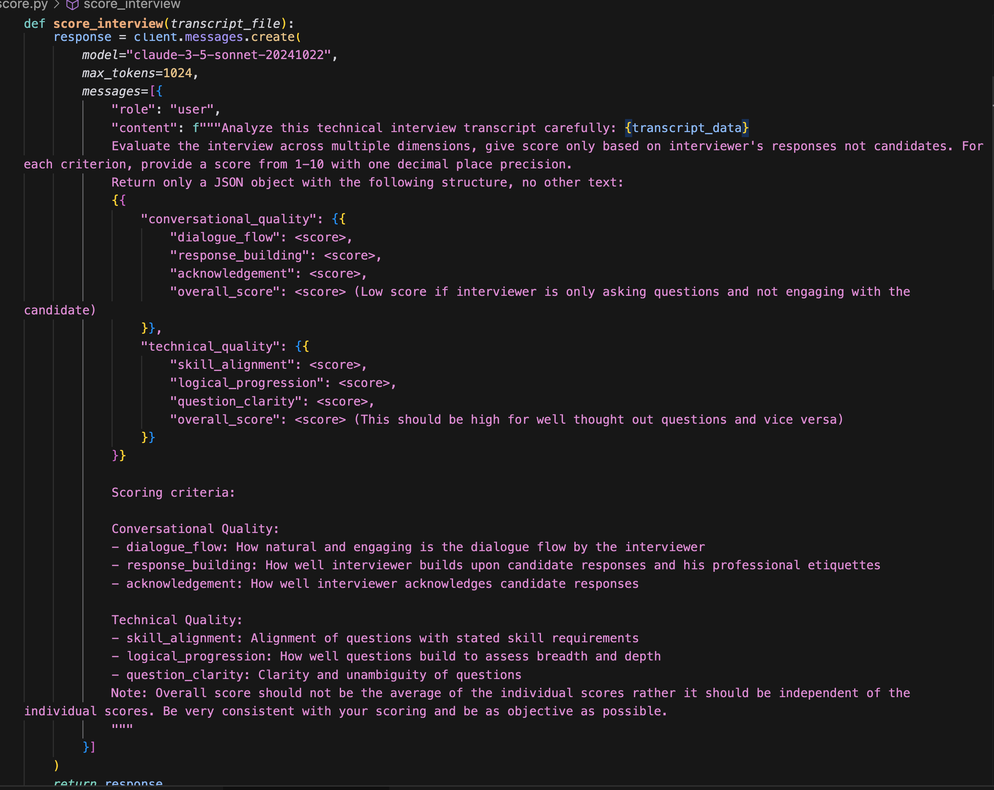
Practical significance (Cohen's d > 0.8 is considered as very large effect) | 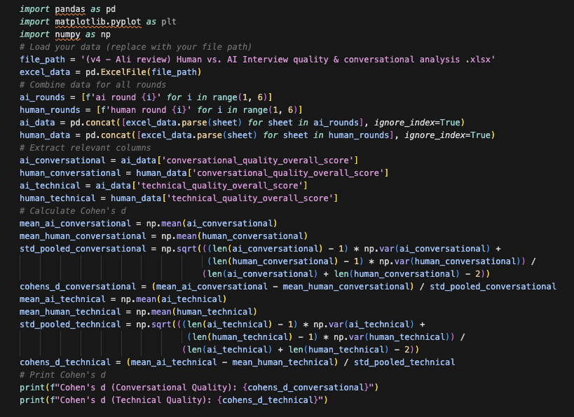 Cohen's d (Conversational Quality): 2.5224702049995207 Cohen's d (Technical Quality): 0.8079387901985725
Statistical significance (p-value) Conversational Quality: H0: μAI = μHuman, Ha: μAI ≠ μHuman; Technical Quality: H0: μAI = μHuman, Ha: μAI ≠ μHuman p - value < 0.05: Reject H0 Note : Here data is not normal distributed. That is the reason Cohen'd indicator is more meaningful that p-value. | 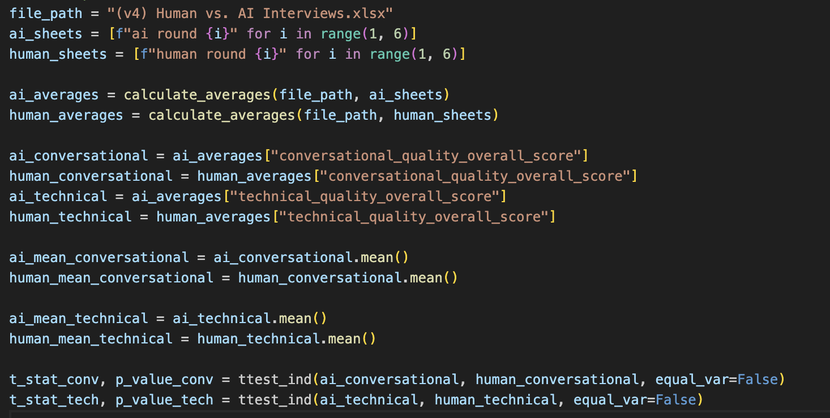 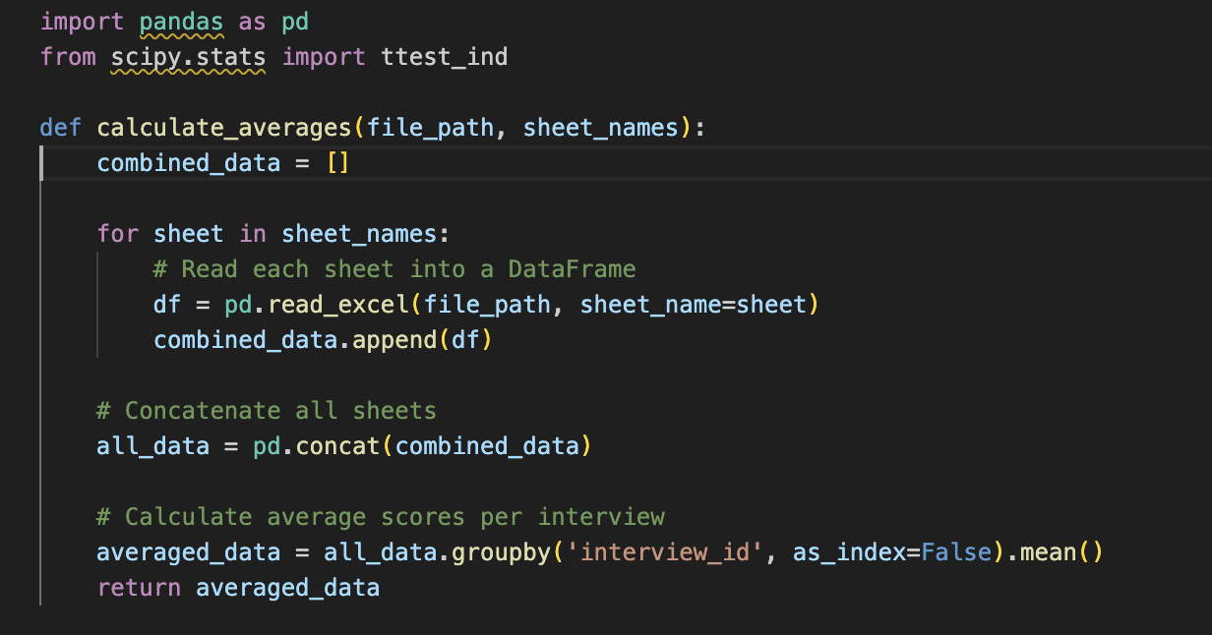 Conversational Quality - AI Mean: 7.79, Human Mean: 5.41 Conversational Quality - t-statistic: 42.797600277, p-value: 0.000000000 Technical Quality - AI Mean: 8.37, Human Mean: 7.85 Technical Quality - t-statistic: 13.676411797, p-value: 0.000000000
Code for randomly removing 25 rows from AI interviews | 